Electricity
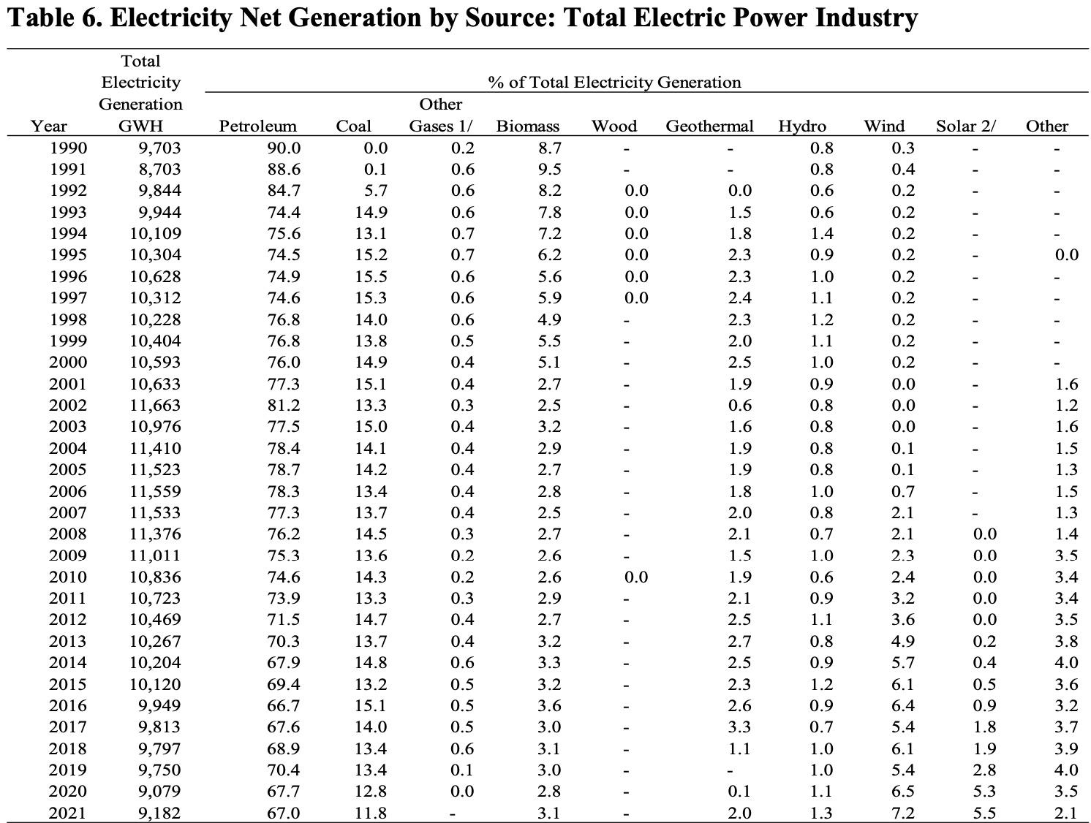
Hawaii Electricity Profile 2021, data source- U.S. Energy Information Administration https://www.eia.gov/electricity/state/archive/2021/hawaii/
Item | Value | Rank
Primary energy source |  | Petroleum | 1 metric ton= 1000 kg
Net summer capacity (megawatts) | 3,013 | 47 | 1000000 KWH/ 1GWH
Electric utilities | 1,807 | 40 | 1 KWH= 0.003412 mmBtu | Total Electricity Consumed: |  | 8,936,482 GWH | (value given at B17 of total retail sales, or how much electricity was bought and used)
IPP & CHP | 1,206 | 45 | 1000000 kg= 1MMT | % of Generation Consumed: |  | 0.9732788591 | (value determined by dividing the total amount of energy generated by how much was actually consumed; provided in a percent format)
For Electricity Net Generation, the value is calculated by using Table 6. It takes the Total Electricity Generation in GWH from 2021 and multiplies it by the % of Total Electricity Generation to get how much of the source was used in the state's portfolio for 2021.
Net generation (megawatthours) | 9,181,831 | 47 |  | The data below is in reference to both tables in the spreadsheet
Electric utilities | 4,725,470 | 39 |  | 2021 Electricty net Generation |  | Actual Consumption GWH |  | In KWH | In mmBTU | Avg Emissions Factors in kg CO2/ mmBtu | In kg C02 | Carbon Footprint in tCO2e
IPP & CHP | 4,456,361 | 45 |  | Petroleum | 6152 | 5988 |  | 5.988E+09 | 2.043E+07 | 71.31 | 1.457E+09 | 1.457E+06
Emissions |  |  |  | Coal | 1083 | 1055 |  | 1.055E+09 | 3.598E+06 | 100.175 | 3.604E+08 | 3.604E+05
The actual consumption value is calculated by taking the Total Electricity Generation and multiplying it by 0.97%, the amount of electricity actually bought and consumed
Sulfur dioxide (short tons) | 17,721 | 22 |  | Other Gases | 0 | 0.0 |  | 0.000E+00 | 0.000E+00 | 0 | 0.000E+00 | 0.000E+00
Nitrogen oxide (short tons) | 16,359 | 32 |  | Biomass | 284.6 | 277.0 |  | 2.770E+08 | 9.452E+05 | 52.07 | 4.922E+07 | 4.922E+04
Carbon dioxide (thousand metric tons) | 6,429 | 42 |  | Wood | 0 | 0.0 |  | 0.000E+00 | 0.000E+00 | 0 | 0.000E+00 | 0.000E+00
Sulfur dioxide (lbs/MWh) | 3.9 | 1 |  | Geothermal | 183.6 | 178.7 |  | 1.787E+08 | 6.098E+05 | 26.03 | 1.587E+07 | 1.587E+04
Nitrogen oxide (lbs/MWh) | 3.6 | 3 |  | Hydro | 119.4 | 116.2 |  | 1.162E+08 | 3.964E+05 | 0 | 0.000E+00 | 0.000E+00
Carbon dioxide (lbs/MWh) | 1,540 | 6 |  | Wind | 661.1 | 643.4 |  | 6.434E+08 | 2.195E+06 | 0 | 0.000E+00 | 0.000E+00
Total retail sales (megawatthours) | 8,936,482 | 48 |  | Solar | 505.0 | 491.5 |  | 4.915E+08 | 1.677E+06 | 0 | 0.000E+00 | 0.000E+00
Full service provider sales | 8,936,482 | 44 |  | Other | 192.8 | 187.7 |  | 1.877E+08 | 6.403E+05 | 0 | 1.882E+09 | 1.882E+06
Energy-only provider sales | 0 | 0
Direct use (megawatthours) | 355,064 | 36 |  |  |  |  |  |  |  |  | Carbon Footprint in kg tCO2e Total |  | 3.765E+06
Average retail price (cents/kWh) | 30.31 | 1 |  |  |  |  |  |  |  |  | Carbon Footprint in MMT tCO2e Total |  | 3.765

Transportation
State of Hawaii, 2022 transportation GHG emissions
Fuel Type | Heat Content (Btu/bbl) (a) | Energy Consumption (Trillion Btu) (b) | Energy Consumption (gal) | Emissions Factor (kg CO2/gal) (c) | CO2e Emissions (kg CO2e) | CO2e Emissions (MMT CO2e)
Aviation Gasoline | 5048000 | 0.1 | 832012.678 | 8.31 | 6914025.357 | 0.006914
Distillate Fuel Oil | 5770000 | 12.6 | 91715771.230 | 10.21 | 936418024.300 | 0.936
Jet Fuel | 5512500 | 88.3 | 672761904.800 | 9.75 | 6559428571.000 | 6.559
Lubricants | 6065000 | 0.3 | 2077493.817 | 10.69 | 22208408.900 | 0.022
Motor Gasoline | 5222000 | 46.5 | 373994638.100 | 8.78 | 3283672922.000 | 3.284
Residual Fuel Oil | 6287000 | 7.7 | 51439478.290 | 11.27 | 579722920.300 | 0.580
Total |  | 155.5 | 1192821299.000 |  | 11388364873.000 | 11.388365
a: heat content of fuels accessed from the EIA
b: energy consumption accessed from the EIA
c: emissions factors accessed from the EPA
Percentage of 2022 Hawaii Transportation GHG Emissions from Different Fuels

"Difficult to Estimate" - Fores
Net Carbon Emissions From Forest Loss in Hawai'i
Please see document here for the methodology and list of sources used to calculate carbon emissions from forest loss in Hawaii

 |  | 17.00% | Percent of soil carbon lost from deforestation****
 |  | 50.00% | Percent of above ground carbon lost from other kinds of deforestation^^^^
 |  | 3.81E+05 | carbon stored in soil per hectare (kg)^^
 |  | 1000 | carbon sequestered per hectare of forest (kg)^^^

 | Tree cover loss data for the state of Hawaii from 2016 to 2023
 | year of tree cover loss | Total forest area (ha)* | Approximate above ground carbon stored in all of Hawaii's Forests (kg)* | Carbon stored in above-ground forest per hectare | Approximate below ground carbon stored in all of Hawaii's Forests (kg)^^ | Total tree cover loss of greater than 75% (ha) ** | Tree cover loss from fires greater than 75% (ha)** | Forest loss from other means (not fire) (ha)** | Average annual forest gain for Hawaii (ha)*** | Carbon sequestered by Hawaii's forests (kg)^^^ | Carbon emitted from deforestation (kg)``` | Net Carbon emissions from deforestation (kg)
 | 2016 | 550065 | 3.60E+10 | 6.50E+04 | 2.10E+11 | 1235.12 | 364.29 | 870.83 | 1342 | -5.50E+08 | 1.32E+08 | -4.18E+08
 | 2017 | 550171.88 | 3.64E+10 | 6.62E+04 | 2.10E+11 | 823.74 | 123.54 | 700.20 | 1342 | -5.50E+08 | 8.47E+07 | -4.65E+08
 | 2018 | 550690.15 | 3.69E+10 | 6.70E+04 | 2.10E+11 | 1744.71 | 478.83 | 1265.88 | 1342 | -5.51E+08 | 1.87E+08 | -3.63E+08
 | 2019 | 550287.43 | 3.72E+10 | 6.77E+04 | 2.10E+11 | 867.02 | 231.51 | 635.51 | 1342 | -5.50E+08 | 9.33E+07 | -4.57E+08
 | 2020 | 550762.41 | 3.77E+10 | 6.85E+04 | 2.10E+11 | 581.11 | 73.14 | 507.97 | 1342 | -5.51E+08 | 6.00E+07 | -4.91E+08
 | 2021 | 551523.29 | 3.82E+10 | 6.93E+04 | 2.10E+11 | 401.84 | 82.06 | 319.78 | 1342 | -5.52E+08 | 4.28E+07 | -5.09E+08
 | 2022 | 552463.46 | 3.87E+10 | 7.01E+04 | 2.10E+11 | 361.17 | 60.62 | 300.55 | 1342 | -5.52E+08 | 3.82E+07 | -5.14E+08
 | 2023 | 553444.29 | 3.92E+10 | 7.09E+04 | 2.11E+11 | 416.76 | 97.10 | 319.66 | 1342 | -5.53E+08 | 4.52E+07 | -5.08E+08

 |  | *Value for 2016 total forest area and carbon stored in Hawaii's forest comes from Asner, 2016 |  |  |  |  |  |  | average annually (2016-2023) (kg) | -5.51E+08 | 8.55E+07 | -4.66E+08
 |  | ** Values come from Global Forest Watch (2024) data on forest lost that had greater than 75% of its canopy lost.
 |  | ***The state of Hawaii gained on average 1,342 ha each year from 2000-2020 based on forest gain data from Global Forest Watch (2024). This was projected out to 2023
 |  | ****Value of 17% comes from Mgelwa (2024) - it was assumed in the above calculations that the 17% of soil carbon lost becomes emitted carbon.
 |  | ^^Value for below ground carbon storage is based on the average of carbon in soil from Crow et al. (2016), Selmants et al. (2014), and Osher et al. (2003)
 |  | ^^^Tropical forests can sequester between .5 and 5 metric tons of carbon per hectare annually (Brown, 1996). We'll say 1 ton per ha to be conservative
 |  | ^^^^It was assumed that half of the carbon in forest not lost due to fire is not used as a forest product and is therefore emitted as carbon

General Information
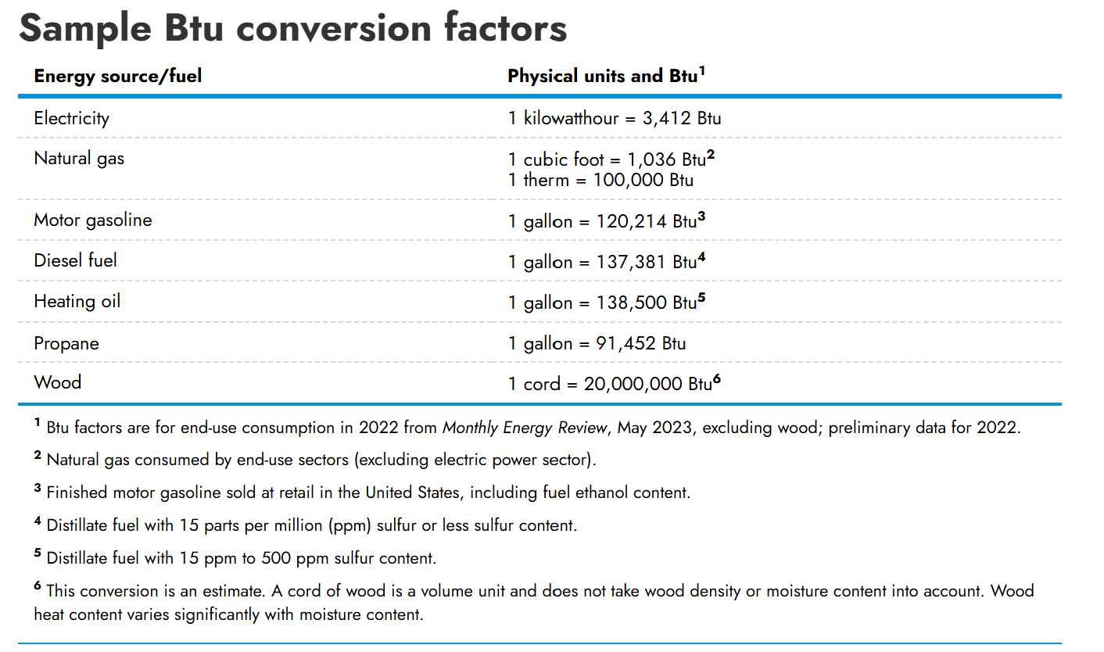
2014 GHG Emissions Factors (more detailed): https://www.epa.gov/sites/default/files/2015-07/documents/emission-factors_2014.pdf
2024 GHG Emissions Factors (more recent/probs more accurate): https://www.eia.gov/environment/emissions/co2_vol_mass.php
Hawaii State Profile and Energy Estimates - Energy Information Administration: https://www.eia.gov/state/?sid=HI
𝐺𝐻𝐺 𝐸𝑚𝑖𝑠𝑠𝑖𝑜𝑛𝑠 = 𝐸𝑚𝑖𝑠𝑠𝑖𝑜𝑛 𝐹𝑎𝑐𝑡𝑜𝑟 × 𝐸𝑛𝑒𝑟𝑔𝑦 𝐶𝑜𝑛𝑠𝑢𝑚𝑝𝑡𝑖𝑜𝑛 𝑜𝑓 𝑡ℎ𝑒 𝐹𝑢𝑒l (https://climatesmart.ny.gov/fileadmin/csc/documents/GHG_Inventories/ghgguide.pdf)
Hawaii GHG Program from the State of Hawaii Department of Health - https://health.hawaii.gov/cab/hawaii-greenhouse-gas-program/
It might be possible to use volcanoes as the difficult to estimate category? I can ask Kevin if that would be allowed - without committing us to it - https://volcanoes.usgs.gov/observatories/hvo/hvo_gas.html#:~:text=Click%20for%20more%20info.,and%20unreacted%20SO2%20gas.

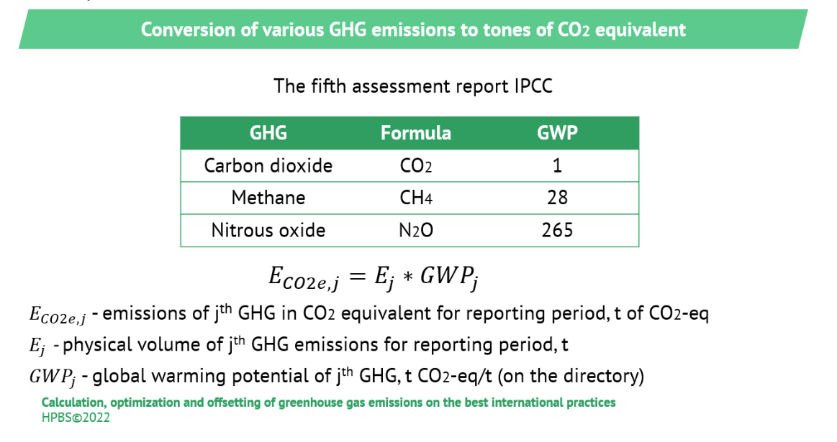

GWP Emissions Factors
the table below for BTU conversion is from EIA at this site: https://www.eia.gov/energyexplained/units-and-calculators/british-thermal-units.php

